3.7
a) The activities are the production quantities of parts A, B, and C. The limited resources are the hours available on machine 1 and machine 2.

b, d)
 |  | Part A | Part B | Part C
 | Unit Profit | $50 | $40 | $30
 |  |  |  |  | Hours |  | Hours
 |  |  | Processing Time (hours per unit) |  | Used |  | Available
 | Machine 1 | 0.02 | 0.03 | 0.05 | 0 | <= | 40
 | Machine 2 | 0.05 | 0.02 | 0.04 | 0 | <= | 40

 |  | Part A | Part B | Part C |  |  | Total Profit
 | Production | 0 | 0 | 0 |  |  | $0.00
c) Below are three possible guesses (many answers are possible).
(x₁, x₂, x₃) = (500,500,300), Not feasible
(x₁, x₂, x₃) = (350,1000,0), Feasible, P = $57,500
(x₁, x₂, x₃) = (400,1000,0), Feasible, P = $60,000
e) Let
A = number of part A produced B = number of part B produced C = number of part C produced
Maximize Profit = $50A + $40B + $30C
Subject to:
0.02A + 0.03B + 0.05C ≤ 40 hours 0.05A + 0.02B + 0.04C ≤ 40 hours A ≥ 0, B ≥ 0, C ≥ 0

3.11
a, d)
 |  | Corn | Tankage | Alfalfa
 | Unit Cost | $0.84 | $0.72 | $0.60
 | (per kg) |  |  |  |  |  | Minimum
 |  |  |  |  | Level |  | Daily
 |  |  | Nutritional Contents (per kg) |  | Achieved |  | Requirement
 | Carbohydrates | 90 | 20 | 40 | 0 | >= | 200
 | Protein | 30 | 80 | 60 | 0 | >= | 180
 | Vitamins | 10 | 20 | 60 | 0 | >= | 150

 |  | Corn | Tankage | Alfalfa |  |  | Total Cost
 | Diet (kg) | 0.000 | 0.000 | 0.000 |  |  | $0.00

b) (x₁, x₂, x₃) = (1,2,2) is a feasible solution
with a daily cost of $3.48.
This diet will provide
210 kg of carbohydrates
310 kg of protein
170 kg of vitamins daily.
c) Answers will vary.
e) Let
C = kg of corn to feed each pig T = kg of tankage to feed each pig A = kg of alfalfa to feed each pig
Minimize Cost = $0.84C + $0.72T + $0.60A
Subject to:
90C + 20T + 40A ≥ 200 30C + 80T + 40A ≥ 180 10C + 20T + 60A ≥ 150 C ≥ 0, T ≥ 0, A ≥ 0.

3.12
a, d)
 |  |  | Income per Unit of Asset ($million) |  | Cash Flow |  | Minimum
 |  | Asset 1 | Asset 2 | Asset 3 | Achieved |  | Required
 | Year 5 | 8 | 4 | 2 | 0 | >= | 1600
 | Year 10 | 2 | 2 | 4 | 0 | >= | 400
 | Year 20 | 0 | 6 | 8 | 0 | >= | 1200

 |  |  |  |  |  |  | Total Cost
 |  | Asset 1 | Asset 2 | Asset 3 |  |  | ($million)
 | Units Purchased | 0 | 0 | 0 |  |  | 0
c) (x₁, x₂, x₃) = (100,100,200) is a feasible solution.
This would generate
$1.6 billion in 5 years
$1.2 billion in 10 years
$2.2 billion in 20 years
The total invested will be $400 million.
e) Let
x₁ = units of Asset 1 purchased x₂ = units of Asset 2 purchased x₃ = units of Asset 3 purchased
Minimize Cost = x₁ + x₂ + x₃ ($millions)
Subject to:
8x₁ + 4x₂ + 2x₃ ≥ 1600 ($millions) 2x₁ + 2x₂ + 4x₃ ≥ 400 ($millions) 6x₂ + 8x₃ ≥ 1200 ($millions) x₁ ≥ 0, x₂ ≥ 0, x₃ ≥ 0

3.18
a) Requirement 1: The total amount shipped from Mine 1 must be 40 tons. Requirement 2: The total amount shipped from Mine 2 must be 60 tons. Requirement 3: The total amount shipped to the Plant must be 100 tons. Requirement 4: For Storage 1, the amount shipped out = the amount in. Requirement 5: For Storage 2, the amount shipped out = the amount in.

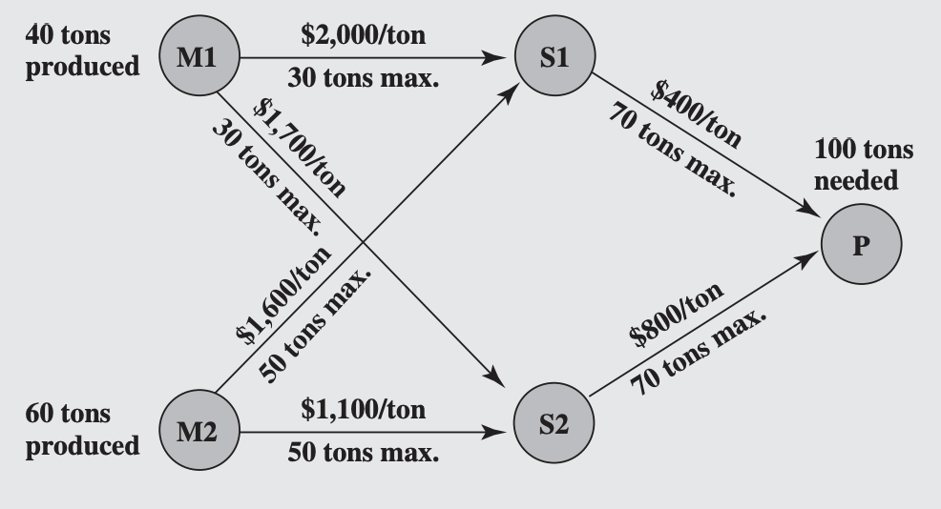
b)
Shipping Cost | S1 | S2
M1 | $2,000 | $1,700
M2 | $1,600 | $1,100
P | $400 | $800

Shipping Capacity | S1 | S2
M1 | 30 | 30
M2 | 50 | 50
P | 70 | 70

 |  |  | Total Shipped
Units Shipped | S1 | S2 | Out of M1,M2 |  | Output
M1 | 0 | 0 | 0 | = | 40
M2 | 0 | 0 | 0 | = | 60
Total Into S1,S2 | 0 | 0
 | = | = | Total Shipped
Total Out of S1,S2 | 0 | 0 | Into P |  | Needed
P | 0 | 0 | 0 | = | 100

 |  |  |  |  | Total Cost
 | Units Shipped | <= | Capacity |  | $0

c) Let x_{M1S1} = number of units shipped from Mine 1 to Storage 1 x_{M1S2} = number of units shipped from Mine 1 to Storage 2 x_{M2S1} = number of units shipped from Mine 2 to Storage 1 x_{M2S2} = number of units shipped from Mine 2 to Storage 2 x_{S1P} = number of units shipped from Storage 1 to the Plant x_{S2P} = number of units shipped from Storage 2 to the Plant
Minimize Cost = $2,000 x_{M1S1} + $1,700 x_{M1S2}
+ $1,600 x_{M2S1} + $1,100 x_{M2S2}
+ $ 400 x_{S1P} + $ 800 x_{S2P} Subject to:
x_{M1S1} + x_{M1S2} = 40 x_{M2S1} + x_{M2S2} = 60 x_{M1S1} + x_{M2S1} = x_{S1P} x_{M1S2} + x_{M2S2} = x_{S2P} x_{S1P} + x_{S2P} = 100 x_{M1S1} ≤ 30, x_{M1S2} ≤ 30
x_{M2S1} ≤ 50, x_{M2S2} ≤ 50
x_{S1P} ≤ 70, x_{S2P} ≤ 70 and
x_{M1S1} ≥ 0, x_{M1S2} ≥ 0
x_{M2S1} ≥ 0, x_{M2S2} ≥ 0
x_{S1P} ≥ 0, x_{S2P} ≥ 0.

